工作表1
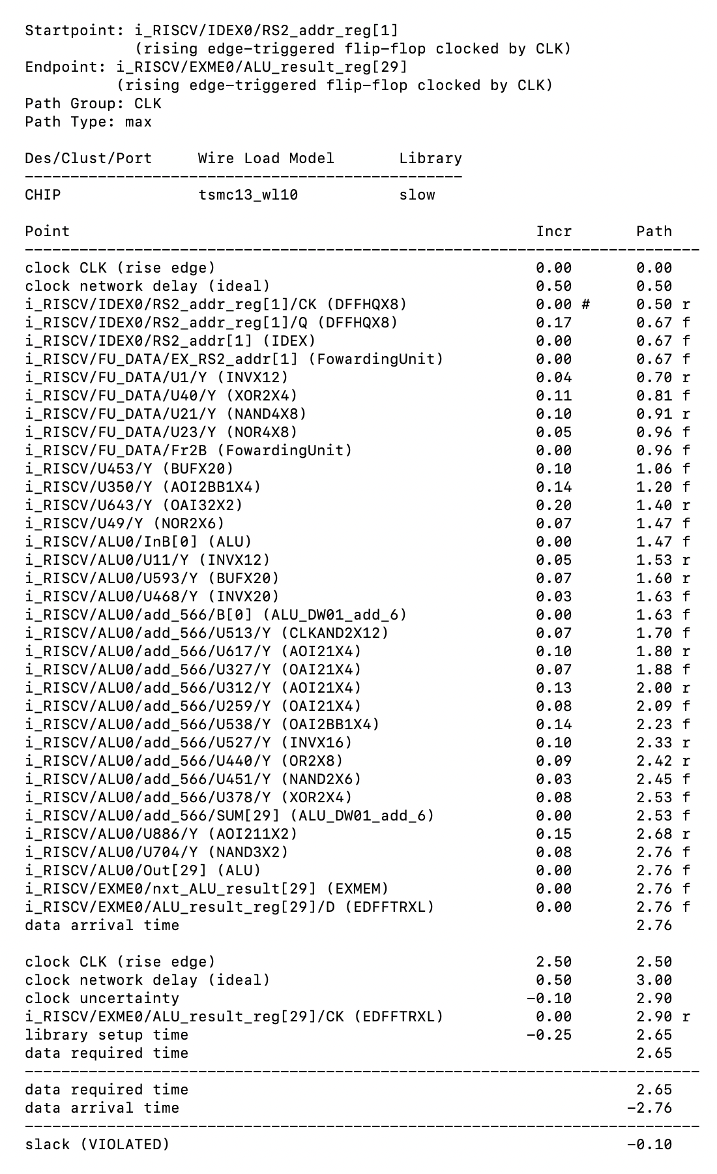
CK-Q | IDEX | inside FUDATA | FUDATA-ALU | ALU |  |  | Total Delay
 |  |  | Glue Gate ??? | ALU Selection | Arithmatic | ??????
0.17 |  | 0.29 | 0.51 | 0.16 | 0.90 | 0.23 | 2.26
0.17 |  |  |  | 0.96 | 0.75

